Input
Application Sizing Tool For PC Series Actuators
2017

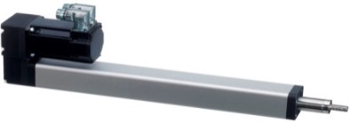
Fx
Fy
 |  | Input required by drop down |  |  |  |  |  |  |  |  | Latest update 2017-05-30 ASc
 |  | Input required by entering value
 |  | Output values
 | Date
 | Customer
 | Project
 | Reference

 | Step 1: | About Your Application |  |  |  |  | Step 2: | PC and Gear selection
 | Select unit of measure | Metric | Vertical application? *
0 | Max force Fx [N] | 1 |  |  |  |  | PC-version * |  |  |  | Cylinder mounting
Move Profile
0.000 | 0
0.001 | 1
0.999 | 1
1.000 | 0
 | Force active during stop? * | No |  |  |  |  | LX-In Line |  |  |  | F-Feet Kit
 | Total mass to move [kg] | 0 |  |  |  |  | Ratio | 1
0 | Radial Force Fy or Fz [N] | 0 |  |  |  |  | Efficiency | 90% |  |  | Rod End
0 | Stroke [mm] | 1 |  |  |  |  | Idle torque [Nm] | 0.00 |  |  | C-Front Clevis
0 | Speed [mm/s] | 1
0 | Acceleration [m/s²] | 1 |  |  |  |  | Gear Selection (Optional)
fm factor
 | fm factor * | 1 |  |  |  |  | No Gear
 | Cycles per minute | 1 |  |  |  |  | Type | NT23
 | Working hours per day | 1 |  |  |  |  | Ratio | 3
 | Working days per year | 1 |  |  |  |  | Ratio | 3
 | Time for one stroke [s] | 1.0 |  |  |  |  | Efficiency | 93%
 | Average speed [mm/s] | 1.0 |  |  |  |  | Idle torque | 0.001
 | Duty cycle | 3% |  |  |  |  | Inertia (kg cm²) | 0.0760

 | Step 3: | Motor Selection |  |  |  |  | Motor perfomance of AKM22E

Information
 | Continuous |  | Intermittent |  | Working point (Mean rpm, T RMS)
0 | 0.87 | 0 | 2.76 | 0 | 0.03
160 | 0.8668 | 5148.4 | 2.76
320 | 0.8636 | 5224.8 | 2.7194116923
480 | 0.8604 | 5302.7 | 2.678226989
640 | 0.8572 | 5382.1 | 2.6364458901
800 | 0.854 | 5463.1 | 2.5940683956
960 | 0.8508 | 5545.7 | 2.5510945055
1120 | 0.84824 | 5630 | 2.5075242198
1280 | 0.84568 | 5715.8 | 2.4633575385
1440 | 0.84312 | 5803.3 | 2.4185944615
1600 | 0.84056 | 5892.4 | 2.373234989
1760 | 0.838 | 5983.2 | 2.3272791209
1920 | 0.83544 | 6075.6 | 2.2807268571
2080 | 0.83288 | 6169.7 | 2.2335781978
2240 | 0.83032 | 6265.5 | 2.1858331429
2400 | 0.82776 | 6362.9 | 2.1374916923
2560 | 0.8252 | 6461.9 | 2.0885538462
2720 | 0.82264 | 6562.5 | 2.0390196044
2880 | 0.82008 | 6664.7 | 1.988888967
3040 | 0.81752 | 6768.4 | 1.9381619341
3200 | 0.81496 | 6873.6 | 1.8868385055
3360 | 0.8124 | 6980.1 | 1.8349186813
3520 | 0.80848888889 | 7088 | 1.7824024615
3680 | 0.80457777778 | 7197.1 | 1.7292898462
3840 | 0.80066666667 | 7307.4 | 1.6755808352
4000 | 0.79675555556 | 7418.7 | 1.6212754286
4160 | 0.79284444444 | 7530.8 | 1.5663736264
4320 | 0.78893333333 | 7643.7 | 1.5108754286
4480 | 0.78502222222 | 7757.2 | 1.4547808352
4640 | 0.78111111111 | 7871.1 | 1.3980898462
4800 | 0.7772 | 7985.2 | 1.3408024615
4960 | 0.77328888889 | 8000 | 1.2829186813
5120 | 0.76937777778 | 8000 | 1.2244385055
5280 | 0.76546666667 | 8000 | 1.1653619341
5440 | 0.76155555556 | 8000 | 1.105688967
5600 | 0.75764444444 | 8000 | 1.0454196044
5760 | 0.75373333333 | 8000 | 0.98455384615
5920 | 0.74982222222 | 8000 | 0.92309169231
6080 | 0.74591111111 | 8000 | 0.86103314286
6240 | 0.742 | 8000 | 0.7983781978
6400 | 0.73808888889 | 8000 | 0.73512685714
6560 | 0.73417777778 | 8000 | 0.67127912088
6720 | 0.73026666667 | 8000 | 0.60683498901
6880 | 0.72635555556 | 8000 | 0.54179446154
7040 | 0.72244444444 | 8000 | 0.47615753846
7200 | 0.71853333333 | 8000 | 0.40992421978
7360 | 0.71462222222 | 8000 | 0.34309450549
7520 | 0.71071111111 | 8000 | 0.2756683956
7680 | 0.7068 | 8000 | 0.20764589011
7840 | 0.70288888889 | 8000 | 0.13902698901
...
 | Type of motor * | Input voltage (VAC) |  | Select size |  |  | Motor curve |  |  | 4. PC32, Lead 10 mm
 | 1. Kollmorgen AKM Servo | 240 |  | AKM22E
 | Brake | Feedback
 | No | R-Resolver (standard)

 | Motor Data For AKM22E |  |  | Motor part number
 | Cont. torque (Stall) [Nm] | 10 | 0.9 | AKM22E-ANCNR-00
 | Peak torque [Nm] | 10 | 2.8 | RediMount ID**
 | Rated torque [Nm] | 10 | 0.7 | 004
 | Rated speed [rpm] | 4000 | 8000.0
 | Inertia [kg cm²] | 0.5 | 0.16
 | Max speed [rpm] |  | 8000

 | PC unit Data |  |  |  | Required Motor Data |  |  |  |  | Additional Data
 |  | Life time | Required Input | System Inertia | Motor | Motor torque | motor torque | Motor Torque | Motor |  | Inertia balance
 | Unit part number *** | Years | torque | kg cm² | speed | constant speed | acceleration | (TRMS) | Performance |  | (max 7 for "OK")
 |  |  | Nm |  | rpm | Nm | Nm | Nm
 | PC25LX004B03-01FC1 | >50 | 0.05 | 0.01 | 20 | 0.06 | 0.09 | 0.01 | OK | 0 | 1.05
 | PC25LX004B10-01FC1 | >50 | 0.15 | 0.01 | 6 | 0.17 | 0.18 | 0.02 | OK | 0 | 1.05
 | PC32LX004B04-01FC1 | >50 | 0.07 | 0.02 | 15 | 0.08 | 0.11 | 0.01 | OK | 0 | 1.10
 | PC32LX004B10-01FC1 | >50 | 0.18 | 0.02 | 6 | 0.20 | 0.21 | 0.03 | OK | 0 | 1.10
 | PC40LX004B05-01FC1 | >50 | 0.10 | 0.12 | 12 | 0.11 | 0.15 | 0.01 | OK | 0 | 1.78
 | PC40LX004B10-01FC1 | >50 | 0.20 | 0.12 | 6 | 0.22 | 0.24 | 0.03 | OK | 0 | 1.78
 | PC40LX004B20-01FC1 | >50 | 0.30 | 0.12 | 3 | 0.34 | 0.35 | 0.04 | OK | 0 | 1.78

 | * = Hover over for more information
 | ** = Click to open RediMount ID tool; This tool is used to check motor and gear compatibility to PC-unit
 | ***= If only the unit part number cell is blank the motor or the unit cannot handle the specified application. If a row is blank the unit cannot handle the current application data
 | Notes:

fm factor
Input
Information
Typical fm factors

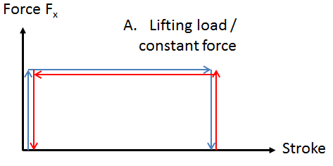
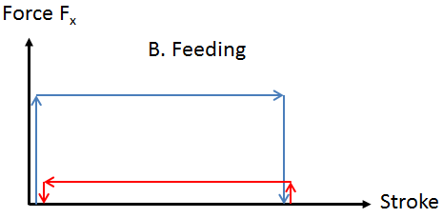
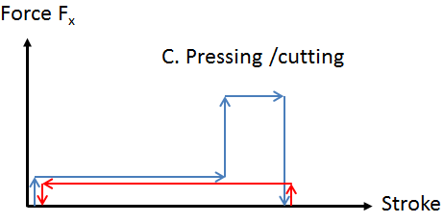
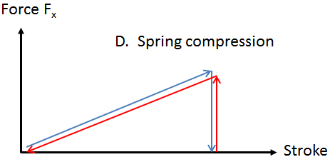
fm = 1
fm = 0.8
fm = 0.5
fm = 0.7

$$Pm=\sqrt[3]{\frac{{L_{1}∗P_{1}}^{3}+{L_{2}∗P_{2}}^{3}+…+{L_{n}∗P_{n}}^{3}}{L_{tot}}}$$
Calcualate your own specific fm factor below |  |  |  |  |  | Example of fm factor
$$Pm=\sqrt[3]{\frac{{L_{1}∗P_{1}}^{3}+{L_{2}∗P_{2}}^{3}+…+{L_{n}∗P_{n}}^{3}}{L_{tot}}}$$
 |  |  |  |  |  |  |  |  | = | 796 | N
 |  |  | = | 1000 | N

$$P_{1}$$
$$L_{1}$$
$$P_{1}$$
$$L_{1}$$
$$P_{2}$$
$$L_{2}$$
$$P_{2}$$
$$L_{2}$$
$$P_{3}$$
$$L_{3}$$
$$P_{3}$$
$$L_{3}$$
 | Load |  | Part of stroke |  |  |  | Load |  | Part of stroke
 | 1000 | N | 400 | mm |  |  | 1000 | N | 400 | mm
 | 1000 | N | 400 | mm |  |  | 200 | N | 400 | mm
$$P_{4}$$
$$L_{4}$$
$$P_{4}$$
$$L_{4}$$
 | 0 | N | 0 | mm |  |  | 0 | N | 0 | mm
$$P_{5}$$
$$L_{5}$$
$$P_{5}$$
$$L_{5}$$
 | 0 | N | 0 | mm |  |  | 0 | N | 0 | mm
$$P_{6}$$
$$L_{6}$$
$$P_{6}$$
$$L_{6}$$
 | 0 | N | 0 | mm |  |  | 0 | N | 0 | mm
 | 0 | N | 0 | mm |  |  | 0 | N | 0 | mm
$$L_{tot}$$
$$L_{tot}$$
Max Load | 1000 | N | 800 | mm |  | Max Load | 1000 | N | 800 | mm
$$fm=\frac{Pm}{Max Load}$$
$$fm=\frac{Pm}{Max Load}$$
 | = | 1.00 |  |  |  |  | = | 0.80

Information
Input
fm factor

Dimensions for Bell house and Redimount flanges

PC 25 LX |  |  | PC 32 LX |  |  | PC 40 LX
Bell House Length |  |  | Bell House Length |  |  | Bell House Length
Motor shaft Length [mm] | Bell House Length, C [mm] |  | Motor shaft Length [mm] | Bell House Length, C [mm] |  | Motor shaft Length [mm] | Bell House Length, C [mm]
19-24 | 52 |  | 20-27 | 59 |  | 20-27 | 62
24-29 | 57 |  | 27-34 | 66 |  | 27-34 | 69
29-34 | 62 |  | 34-41 | 73 |  | 34-41 | 76
34-39 | 67

Redimount Flange Motor Dimensions Compatibility |  |  | Redimount Flange Motor Dimensions Compatibility |  |  | Redimount Flange Motor Dimensions Compatibility
Motor data | Flange A[mm] | Flange B [mm] | Motor data | Flange A[mm] | Flange B [mm] | Motor data | Flange A[mm] | Flange B [mm]
Bolt circle diameter | 43.8-48 | 48-72 | Bolt circle diameter | 37-50 | 50-99 | Bolt circle diameter | 37-72 | 72-107
Shaft Diameter | 5-11 |  | Shaft Diameter | 5-16 |  | Shaft Diameter | 5-16
Shaft Length | 19-39 |  | Shaft Length | 20-41 |  | Shaft Length | 20-41
Pilot Diameter | 16-36 | 16-54 | Pilot Diameter | 16-39 | 16-75 | Pilot Diameter | 16-54 | 16-85
Pilot length | max 4 |  | Pilot length | max 4 |  | Pilot length | max 4

Weight of Unit [kg] |  |  | Weight of Unit [kg] |  |  | Weight of Unit [kg]
0.53+(Smax[mm] x 0.0021) |  |  | 0.681+(Smax[mm] x 0.0034) |  |  | 1.853+(Smax[mm] x 0.0052)

PC 25 PA |  |  | PC 32 PA |  |  | PC 40 PA
Redimount Flange Motor Dimensions Compatibility |  |  | Redimount Flange Motor Dimensions Compatibility |  |  | Redimount Flange Motor Dimensions Compatibility
Motor data | Flange C [mm] | Flange D [mm] | Motor data | Flange C [mm] | Flange D [mm] | Motor data | Flange C [mm] | Flange D [mm]
Bolt circle diameter | 25-51 | 51-72 | Bolt circle diameter | 25-72 | 72-99 | Bolt circle diameter | 26-85 | 85-107
Shaft Diameter | 5-10 |  | Shaft Diameter | 5-14 |  | Shaft Diameter | 5-16
Shaft Length | 13-35 |  | Shaft Length | 15-34 |  | Shaft Length | 15-41
Pilot Diameter | 16-39 | 16-54 | Pilot Diameter | 16-54 | 16-74 | Pilot Diameter | 16-64 | 16-85
Pilot length | max 4 |  | Pilot length | max 4 |  | Pilot length | max 4
Motor Square/diameter | max 66.5 |  | Motor Square/diameter | max 82.5 |  | Motor Square/diameter | max 90.5

Weight of Unit [kg] |  |  | Weight of Unit [kg] |  |  | Weight of Unit [kg]
0.778+(Smax[mm] x 0.0021) |  |  | 1.221+(Smax[mm] x 0.0034) |  |  | 2.318+(Smax[mm] x 0.0052)

Dimensions PC25 |  |  | Dimensions PC32 |  |  | Dimensions PC40
